Sheet1
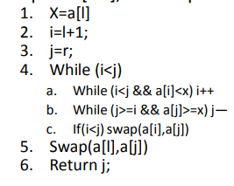

i | j | 0 | 1 | 2 | 3 | 4 | 5 | 6 | 7 | 8 | 9 | 10
1 | 5 | 3 | 5 | 8 | 9 | 4 | 2 | 7 | 5 | 3 | 9 | 8
2 | 1 | 3 | 2 | 8 | 9 | 4 | 5 | 7 | 5 | 3 | 9 | 8
KQ |  | 2 | 3 | 8 | 9 | 4 | 5 | 7 | 5 | 3 | 9 | 8

3 | 8 |  |  | 8 | 9 | 4 | 5 | 7 | 5 | 3 | 9 | 8
8 | 7 |  |  | 8 | 3 | 4 | 5 | 7 | 5 | 9 | 9 | 8
KQ |  |  |  | 5 | 3 | 4 | 5 | 7 | 8 | 9 | 9 | 8

6 | 4 |  |  | 5 | 3 | 4 | 5 | 7
KQ |  |  |  | 4 | 3 | 5 | 5 | 7

3 | 3 |  |  | 4 | 3
KQ |  |  |  | 3 | 4

6 | 5 |  |  |  |  |  | 5 | 7
KQ |  |  |  |  |  |  | 5 | 7

10 | 9 |  |  |  |  |  |  |  |  | 9 | 9 | 8
KQ |  |  |  |  |  |  |  |  |  | 8 | 9 | 9

9 | 8 |  |  |  |  |  |  |  |  | 8 | 9
KQ |  |  |  |  |  |  |  |  |  | 8 | 9

KQ |  | 2 | 3 | 3 | 4 | 5 | 5 | 7 | 8 | 8 | 9 | 9

